Payroll Statement
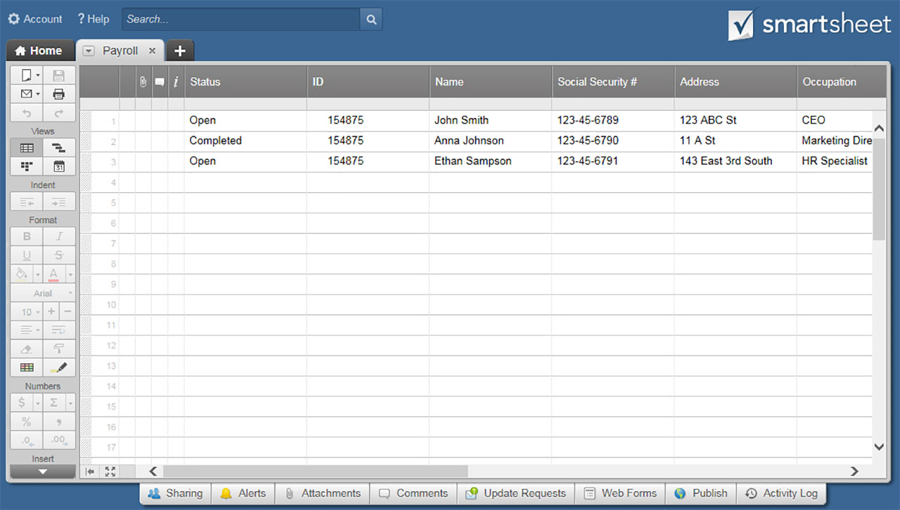
PAYROLL STATEMENT TEMPLATE
BUSINESS NAME |  |  |  | LOGO
Address Line 1 |  | Phone
Address Line 2 |  | Email
City, State, Zip |  | Web

Employee Name |  |  | CURRENT EARNINGS
Employee Number |  |  | EARNING TYPE | HOURS | PYMNT
Federal Filing Status |  |  | Regular Pay | 0.00 | $-
Pay Begin Date |  |  | Overtime | 0.00 | $-
Pay End Date |  |  | Leave Hours | 0.00 | $-
Tax Allowance |  |  | TOTALS | 0.00 | $-

LEAVE BENEFITS SUMMARY
LEAVE TYPE |  | BEGINNING BALANCE | ACCRUED | TAKEN | BALANCE
Holidays |  | 0.00 | 0.00 | 0.00 | 0.00
Vacation |  | 0.00 | 0.00 | 0.00 | 0.00
Sick Time |  | 0.00 | 0.00 | 0.00 | 0.00
Comp Time |  | 0.00 | 0.00 | 0.00 | 0.00
Other |  | 0.00 | 0.00 | 0.00 | 0.00
Other |  | 0.00 | 0.00 | 0.00 | 0.00

STATEMENT SUMMARY
EARNINGS TYPE | CURRENT | YTD | EARNINGS TYPE | CURRENT | YTD
Taxable Gross | $- | $- | Deductions | $- | $-
Non-Taxable Gross | $- | $- | Net Pay | $- | $-
Previous Gross Pay | $- | $- | Excess Life | $- | $-
Gross Pay | $- | $- | Other | $- | $-
Other | $- | $- | Other | $- | $-

DEDUCTION TYPE |  | NOTES |  | CURRENT | YTD
Federal Withholding Tax |  |  |  | $- | $-
State Withholding Tax |  |  |  | $- | $-
FICA-Medicare |  |  |  | $- | $-
Other |  |  |  | $- | $-
Other |  |  |  | $- | $-
Other |  |  |  | $- | $-
Other |  |  |  | $- | $-
Other |  |  |  | $- | $-
Other |  |  |  | $- | $-
Other |  |  |  | $- | $-
Other |  |  |  | $- | $-
Other |  |  |  | $- | $-
Other |  |  |  | $- | $-
TOTALS |  |  |  | $- | $-

CLICK HERE TO CREATE PAYROLL STATEMENT TEMPLATES IN SMARTSHEET

